Products
HomeRun (home-run.co) – Safety Tools & Workwear: Product Catalogue
Source: HomeRun (home-run.co), Safety Tools & Workwear category | Data captured 10-Oct-2026 (prices in INR, may change)

# | Image | Product Name | Brand | Product Type | Size / Variety Options | No. of Options | Description | Full Price List (all options with ₹ amount)
1 | 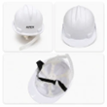 | APEX Industrial Safety Helmet, Head Protection Site Hard Hat | APEX | Safety Helmets | PVC APEX - White, PVC APEX - Yellow | 2 | APEX Industrial Safety Helmet, Head Protection Site Hard Hat | PVC APEX - White: ₹100 PVC APEX - Yellow: ₹100
2 | 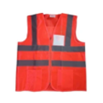 | Evion Reflective Safety Jacket - Breathable Mesh & Solid Workwear Vests with Zip and Pocket | Evion | Reflective Safety Jackets | Orange, Green | 2 | Evion Reflective Safety Jacket - Breathable Mesh & Solid Workwear Vests with Zip and Pocket | Orange: ₹260 Green: ₹260
3 | 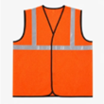 | Evion Reflective Safety Jacket 1" (Net and Fabric) - 50GSM | Evion | Reflective Safety Jackets | Orange, Green | 2 | Evion Reflective Safety Jacket 1" (Net and Fabric) - 50GSM | Orange: ₹90 Green: ₹90
4 | 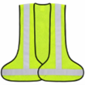 | Evion Reflective Safety Jacket, L&T Reflective - 95GSM, Green | Evion | Reflective Safety Jackets | Standard | 1 | Evion Reflective Safety Jacket, L&T Reflective - 95GSM, Green | Standard: ₹180
5 | 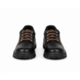 | Pitbull Mirage Low Ankle Steel Toe Safety Shoes | Pitbull | Safety Shoes | Size - 7, Size - 8, Size - 9 | 3 | Pitbull Mirage Low Ankle Steel Toe Safety Shoes | Size - 7: ₹490 Size - 8: ₹490 Size - 9: ₹490
6 | 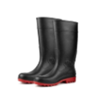 | Hillson Dragon Steel Toe Gumboots, 15" High | Hillson | Gumboots | Size - 7, Size - 8, Size - 9 | 3 | Hillson Dragon Steel Toe Gumboots, 15" High | Size - 7: ₹550 (MRP ₹400) Size - 8: ₹550 Size - 9: ₹550
7 | 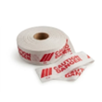 | Barricade Caution Tape, Non-Adhesive High-Visibility | Unbranded | Barricade Tapes | Standard | 1 | Barricade Caution Tape, Non-Adhesive High-Visibility | Standard: ₹265
8 | 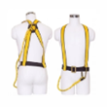 | Fall Protection Safety Harness Belt with Hooks | Unbranded | Safety Harnesses | Half Body, Full Body | 2 | Fall Protection Safety Harness Belt with Hooks | Half Body: ₹280 Full Body: ₹680

Notes: Prices captured from HomeRun on 10-Oct-2026. 'Not listed' = HomeRun shows no MRP. 'Standard' = product sold in a single option.

